Intro
LP Applications week 3: integer programming and binary variables
For the final week we will focus on 10.1 Integer Programming, and 10.2 Binary variables, as set out in the table below.
Sections 10.3 Goal Programming and 10.4 Non-linear programming will not be covered in class, nor will students be examined on any material from them.

Section | Problem type | Examples in class | Exercise problems
10.1 | Integer programming | 10-10, Mixed integer example | 10-12,10-13
10.2 | Modelling with binary variables | Capital budgeting example in this workbook, 10-14 | 10-15, Capital budgeting example and Fixed charge example in R&S

10.1 integer programming
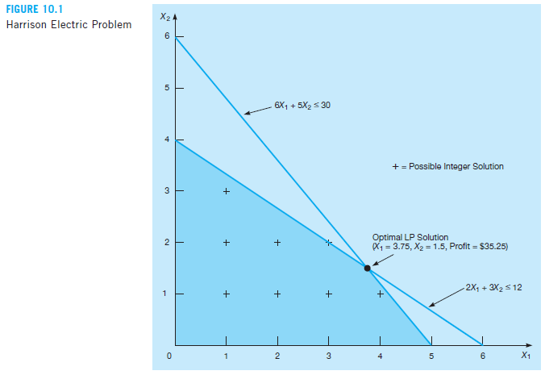
10.1 Integer programming
Similar constraints and objective function like other LPs we have covered so far,
but one or more of the decision variables has to take on an integer value in the final solution.

Three types of integer programming problems:
 | 1. Pure integer programming problems - all variables must have integer values
 | 2. Mixed-integer programming problems - some (but not all) variables must be integers
 | 3. 0-1 (binary) problems - DV's must have integer solution values of 0 or 1

Some options to manually solve integer problems:
 | rounding off the optimal solution values, but not without problems
 |  | rounded values can be outside feasible region
 |  | not necessarily the optimal integer solution (there might be a better one elsewhere)

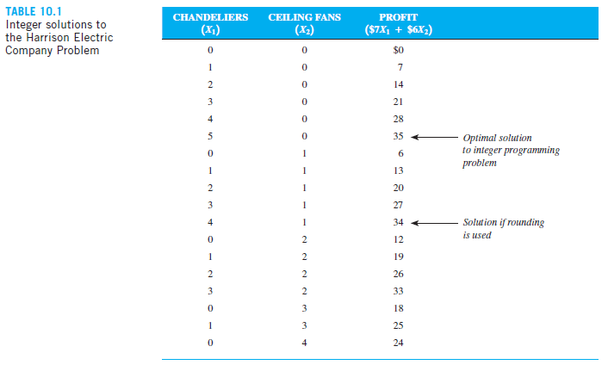
 | enumeration - listing all the feasible solutions and selecting the best
 |  | tedious, take a long time (even for fairly small problems)
 |  | virtually impossible for large problems

Fortunately, we have Excel and Solver.

Note - integer programming solution can never be better than the same LP solution.
 | usually worse in terms of higher cost or lower profit.

Mixed integer example
Bagwell Chemical Company produces two industrial chemicals
 | xilene - produced in 50 kg bags
 | hexall - sold by the kg (dry bulk), can be produced in any quantity
both are composed of ingredients A, B and C:

Ingredient | Amount per 50 kg bag of xylene (kg) | Amount per kg of hexall (kg) | Amount of ingredients available (kg)
A | 30 | 0.5 | 2000
B | 18 | 0.4 | 800
C | 2 | 0.1 | 200

profit:
xyline | R85.00 | per 50 kg bag
hexall | R1.50 | per kg mixed

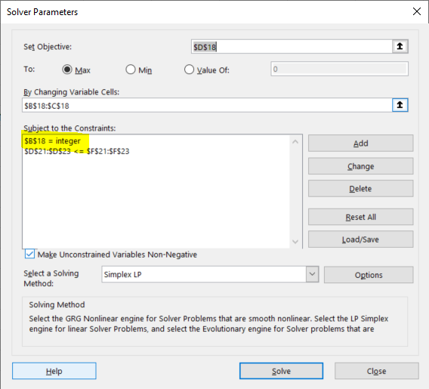
How many bags of xyline and kg of hexall should they mix for max profit? Formulate the problem and find the optimal solution (if any) using solver).
vars | x1 | x2
obj.func | 85 | 1.5
solution | 44 | 20 | 3770 | =max (z)

s.t. |  |  | LHS | sign | RHS
A | 30 | 0.5 | 1330 | <= | 2000
B | 18 | 0.4 | 800 | <= | 800
C | 2 | 0.1 | 90 | <= | 200

